Daily Power Station Chart_14-01
Plant_16/07/2025Chart

Plant:odco1 |  |  | Installed Capacity:111.180kWp
Today Yield(kWh):555.300kWh |  | Today Earning:222120.000TND |  | Today Full Load Hours(h):4.99h

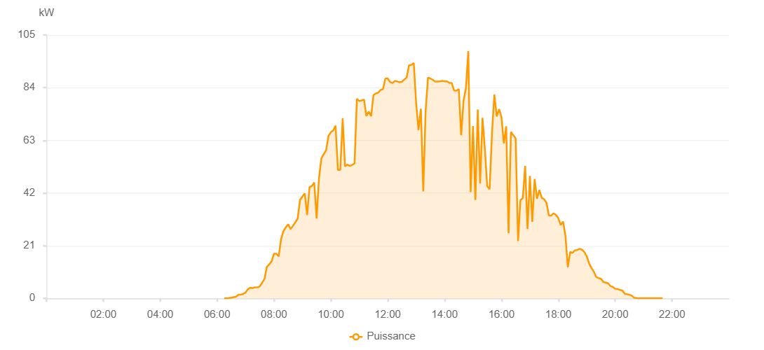

Number | Time | Working State | PV(W) | Instantaneous Radiation(W/㎡)
1 | 06:15:00 | Online | 30.00000 | 0
2 | 06:20:00 | Online | 100.00000 | 0
3 | 06:25:00 | Online | 160.00000 | 0
4 | 06:30:00 | Online | 300.00000 | 3.00000
5 | 06:35:00 | Online | 480.00000 | 5.00000
6 | 06:40:00 | Online | 650.00000 | 8.00000
7 | 06:45:00 | Online | 1480.00000 | 10.00000
8 | 06:50:00 | Online | 1530.00000 | 14.00000
9 | 06:55:00 | Online | 1730.00000 | 16.00000
10 | 07:00:00 | Online | 2340.00000 | 20.00000
11 | 07:05:00 | Online | 3660.00000 | 31.00000
12 | 07:10:00 | Online | 4260.00000 | 37.00000
13 | 07:15:00 | Online | 4070.00000 | 42.00000
14 | 07:20:00 | Online | 4410.00000 | 38.00000
15 | 07:25:00 | Online | 4360.00000 | 42.00000
16 | 07:30:00 | Online | 4780.00000 | 43.00000
17 | 07:35:00 | Online | 6150.00000 | 48.00000
18 | 07:40:00 | Online | 7760.00000 | 67.00000
19 | 07:45:00 | Online | 12550.00000 | 87.00000
20 | 07:50:00 | Online | 13550.00000 | 147.00000
21 | 07:55:00 | Online | 14760.00000 | 167.00000
22 | 08:00:00 | Online | 17800.00000 | 189.00000
23 | 08:05:00 | Online | 17790.00000 | 206.00000
24 | 08:10:00 | Online | 16750.00000 | 116.00000
25 | 08:15:00 | Online | 23590.00000 | 216.00000
26 | 08:20:00 | Online | 26850.00000 | 279.00000
27 | 08:25:00 | Online | 28290.00000 | 335.00000
28 | 08:30:00 | Online | 29540.00000 | 355.00000
29 | 08:35:00 | Online | 27640.00000 | 330.00000
30 | 08:40:00 | Online | 28920.00000 | 331.00000
31 | 08:45:00 | Online | 30270.00000 | 354.00000
32 | 08:50:00 | Online | 31750.00000 | 378.00000
33 | 08:55:00 | Online | 39220.00000 | 400.00000
34 | 09:00:00 | Online | 40620.00000 | 417.00000
35 | 09:05:00 | Online | 41840.00000 | 427.00000
36 | 09:10:00 | Online | 33220.00000 | 450.00000
37 | 09:15:00 | Online | 44320.00000 | 171.00000
38 | 09:20:00 | Online | 44820.00000 | 317.00000
39 | 09:25:00 | Online | 46180.00000 | 435.00000
40 | 09:30:00 | Online | 31810.00000 | 356.00000
41 | 09:35:00 | Online | 47930.00000 | 213.00000
42 | 09:40:00 | Online | 55760.00000 | 561.00000
43 | 09:45:00 | Online | 57480.00000 | 573.00000
44 | 09:50:00 | Online | 59060.00000 | 594.00000
45 | 09:55:00 | Online | 64690.00000 | 621.00000
46 | 10:00:00 | Online | 66260.00000 | 647.00000
47 | 10:05:00 | Online | 66890.00000 | 659.00000
48 | 10:10:00 | Online | 68870.00000 | 676.00000
49 | 10:15:00 | Online | 51140.00000 | 708.00000
50 | 10:20:00 | Online | 51280.00000 | 266.00000
51 | 10:25:00 | Online | 71770.00000 | 710.00000
52 | 10:30:00 | Online | 52610.00000 | 718.00000
53 | 10:35:00 | Online | 53350.00000 | 735.00000
54 | 10:40:00 | Online | 52750.00000 | 649.00000
55 | 10:45:00 | Online | 53230.00000 | 736.00000
56 | 10:50:00 | Online | 53740.00000 | 732.00000
57 | 10:55:00 | Online | 79560.00000 | 770.00000
58 | 11:00:00 | Online | 78670.00000 | 788.00000
59 | 11:05:00 | Online | 78890.00000 | 789.00000
60 | 11:10:00 | Online | 79310.00000 | 784.00000
61 | 11:15:00 | Online | 72690.00000 | 790.00000
62 | 11:20:00 | Online | 74470.00000 | 786.00000
63 | 11:25:00 | Online | 72630.00000 | 723.00000
64 | 11:30:00 | Online | 81080.00000 | 814.00000
65 | 11:35:00 | Online | 81690.00000 | 813.00000
66 | 11:40:00 | Online | 82010.00000 | 824.00000
67 | 11:45:00 | Online | 83110.00000 | 832.00000
68 | 11:50:00 | Online | 83400.00000 | 858.00000
69 | 11:55:00 | Online | 87610.00000 | 880.00000
70 | 12:00:00 | Online | 87730.00000 | 337.00000
71 | 12:05:00 | Online | 86250.00000 | 874.00000
72 | 12:10:00 | Online | 85850.00000 | 869.00000
73 | 12:15:00 | Online | 86690.00000 | 868.00000
74 | 12:20:00 | Online | 86490.00000 | 868.00000
75 | 12:25:00 | Online | 86160.00000 | 872.00000
76 | 12:30:00 | Online | 86340.00000 | 876.00000
77 | 12:35:00 | Online | 87250.00000 | 898.00000
78 | 12:40:00 | Online | 88050.00000 | 886.00000
79 | 12:45:00 | Online | 92940.00000 | 926.00000
80 | 12:50:00 | Online | 93100.00000 | 664.00000
81 | 12:55:00 | Online | 93840.00000 | 633.00000
82 | 13:00:00 | Online | 77910.00000 | 384.00000
83 | 13:05:00 | Online | 67090.00000 | 945.00000
84 | 13:10:00 | Online | 75590.00000 | 933.00000
85 | 13:15:00 | Online | 42670.00000 | 288.00000
86 | 13:20:00 | Online | 74650.00000 | 282.00000
87 | 13:25:00 | Online | 88010.00000 | 873.00000
88 | 13:30:00 | Online | 87630.00000 | 866.00000
89 | 13:35:00 | Online | 87140.00000 | 862.00000
90 | 13:40:00 | Online | 86410.00000 | 860.00000
91 | 13:45:00 | Online | 86450.00000 | 859.00000
92 | 13:50:00 | Online | 86480.00000 | 851.00000
93 | 13:55:00 | Online | 86730.00000 | 843.00000
94 | 14:00:00 | Online | 86540.00000 | 841.00000
95 | 14:05:00 | Online | 86510.00000 | 835.00000
96 | 14:10:00 | Online | 85920.00000 | 831.00000
97 | 14:15:00 | Online | 85860.00000 | 822.00000
98 | 14:20:00 | Online | 82910.00000 | 822.00000
99 | 14:25:00 | Online | 82800.00000 | 813.00000
100 | 14:30:00 | Online | 83470.00000 | 803.00000
101 | 14:35:00 | Online | 65030.00000 | 522.00000
102 | 14:40:00 | Online | 78790.00000 | 706.00000
103 | 14:45:00 | Online | 83780.00000 | 894.00000
104 | 14:50:00 | Online | 98550.00000 | 649.00000
105 | 14:55:00 | Online | 42330.00000 | 404.00000
106 | 15:00:00 | Online | 68740.00000 | 409.00000
107 | 15:05:00 | Online | 39190.00000 | 491.00000
108 | 15:10:00 | Online | 75240.00000 | 462.00000
109 | 15:15:00 | Online | 45770.00000 | 911.00000
110 | 15:20:00 | Online | 71960.00000 | 347.00000
111 | 15:25:00 | Online | 59500.00000 | 378.00000
112 | 15:30:00 | Online | 44730.00000 | 822.00000
113 | 15:35:00 | Online | 43520.00000 | 304.00000
114 | 15:40:00 | Online | 65780.00000 | 291.00000
115 | 15:45:00 | Online | 81260.00000 | 798.00000
116 | 15:50:00 | Online | 72550.00000 | 755.00000
117 | 15:55:00 | Online | 75470.00000 | 706.00000
118 | 16:00:00 | Online | 72340.00000 | 689.00000
119 | 16:05:00 | Online | 61760.00000 | 667.00000
120 | 16:10:00 | Online | 68570.00000 | 276.00000
121 | 16:15:00 | Online | 25970.00000 | 653.00000
122 | 16:20:00 | Online | 66340.00000 | 211.00000
123 | 16:25:00 | Online | 65060.00000 | 267.00000
124 | 16:30:00 | Online | 63780.00000 | 599.00000
125 | 16:35:00 | Online | 22830.00000 | 575.00000
126 | 16:40:00 | Online | 39200.00000 | 203.00000
127 | 16:45:00 | Online | 39930.00000 | 502.00000
128 | 16:50:00 | Online | 52780.00000 | 351.00000
129 | 16:55:00 | Online | 27650.00000 | 374.00000
130 | 17:00:00 | Online | 48820.00000 | 437.00000
131 | 17:05:00 | Online | 30520.00000 | 445.00000
132 | 17:10:00 | Online | 47590.00000 | 179.00000
133 | 17:15:00 | Online | 39710.00000 | 431.00000
134 | 17:20:00 | Online | 43220.00000 | 420.00000
135 | 17:25:00 | Online | 40060.00000 | 376.00000
136 | 17:30:00 | Online | 39530.00000 | 360.00000
137 | 17:35:00 | Online | 38180.00000 | 355.00000
138 | 17:40:00 | Online | 33060.00000 | 326.00000
139 | 17:45:00 | Online | 33020.00000 | 308.00000
140 | 17:50:00 | Online | 33930.00000 | 293.00000
141 | 17:55:00 | Online | 33280.00000 | 294.00000
142 | 18:00:00 | Online | 31930.00000 | 282.00000
143 | 18:05:00 | Online | 29180.00000 | 170.00000
144 | 18:10:00 | Online | 30640.00000 | 238.00000
145 | 18:15:00 | Online | 24960.00000 | 227.00000
146 | 18:20:00 | Online | 12430.00000 | 126.00000
147 | 18:25:00 | Online | 18480.00000 | 108.00000
148 | 18:30:00 | Online | 18150.00000 | 151.00000
149 | 18:35:00 | Online | 19130.00000 | 145.00000
150 | 18:40:00 | Online | 19260.00000 | 152.00000
151 | 18:45:00 | Online | 19780.00000 | 151.00000
152 | 18:50:00 | Online | 19390.00000 | 151.00000
153 | 18:55:00 | Online | 18430.00000 | 144.00000
154 | 19:00:00 | Online | 16740.00000 | 137.00000
155 | 19:05:00 | Online | 13890.00000 | 113.00000
156 | 19:10:00 | Online | 12110.00000 | 97.00000
157 | 19:15:00 | Online | 10630.00000 | 89.00000
158 | 19:20:00 | Online | 8520.00000 | 69.00000
159 | 19:25:00 | Online | 8080.00000 | 60.00000
160 | 19:30:00 | Online | 7820.00000 | 51.00000
161 | 19:35:00 | Online | 6530.00000 | 47.00000
162 | 19:40:00 | Online | 6290.00000 | 41.00000
163 | 19:45:00 | Online | 6000.00000 | 39.00000
164 | 19:50:00 | Online | 4900.00000 | 35.00000
165 | 19:55:00 | Online | 4560.00000 | 33.00000
166 | 20:00:00 | Online | 3860.00000 | 29.00000
167 | 20:05:00 | Online | 3720.00000 | 27.00000
168 | 20:10:00 | Online | 3400.00000 | 23.00000
169 | 20:15:00 | Online | 3160.00000 | 19.00000
170 | 20:20:00 | Online | 1900.00000 | 17.00000
171 | 20:25:00 | Online | 1660.00000 | 15.00000
172 | 20:30:00 | Online | 1430.00000 | 10.00000
173 | 20:35:00 | Online | 1070.00000 | 7.00000
174 | 20:40:00 | Online | 230.00000 | 4.00000
175 | 20:45:00 | Online | 130.00000 | 2.00000
176 | 20:50:00 | Online | 50.00000 | 1.00000
177 | 20:55:00 | Online | 60.00000 | 1.00000
178 | 21:00:00 | Online | 40.00000 | 0
179 | 21:05:00 | Online | 40.00000 | 0
180 | 21:10:00 | Online | 40.00000 | 0
181 | 21:15:00 | Online | 40.00000 | 0
182 | 21:20:00 | Online | 40.00000 | 0
183 | 21:25:00 | Online | 40.00000 | 0
184 | 21:30:00 | Online | 50.00000 | 0
185 | 21:35:00 | Online | 50.00000 | 0
186 | 21:40:00 | Online | 50.00000 | 0
187 | 22:00:00 | Online | 0.00001 | 0.00001

